House Construction Cost
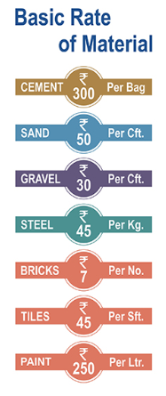
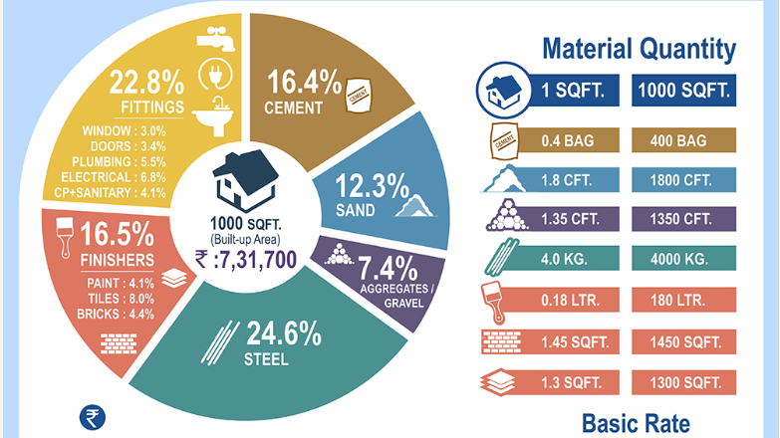
MATERIAL QUANTITY |  |  |  | MATERIAL COST

MATERIAL | RATE | SQ. FT. AREA |  | MATERIAL | RATE | SQ. FT. AREA
 |  |  |  |  |  | 700
 | 1 For Sq. ft. | 700 |  |  |  | Cost
CEMENT(BAGS) | 0.4 | 280 |  | CEMENT(BAGS) | 300 | 84000

SAND(CFT.) | 1.8 | 1260 |  | SAND(CFT.) | 50 | 63000

AGG.(CFT.) | 1.35 | 945 |  | AGG.(CFT.) | 30 | 28350
7,43,000
STEEL(KG) | 4 | 2800 |  | STEEL(KG) | 45 | 126000

PAINT(LTR) | 0.18 | 126 |  | BRICK(SQFT.) | 7 | 49735

BRICK(SQFT.) | 1.45 | 1015 |  | TILES(SQFT.) | 45 | 40950

TILES(SQFT.) | 1.3 | 910 |  | PAINT(LTR) | 250 | 31500
(NOTE: For 1 sq. ft area 7 bricks required)
1015 | 7105 |  | TOTAL COST |  |  | Rs. 423,535
 |  |  | ADDING 22.8 % FOR FITTINGS |  |  | Rs. 96,566

 |  |  | MATERIAL COSTING |  |  | Rs. 520,101
 |  |  | Labour Cost ( 40 %) |  |  | Rs. 208,040

 |  |  | TOTAL CONSTRUCTION COST |  |  | Rs. 728,141

 |  |  | COST OF CONSTRUCTION PER SQ.FT. |  |  | Rs. 1,040

