Concrete Mix Design (IS 10262)
 |  | Concrete Mix Design As Per IS Code - 10262 : 2019
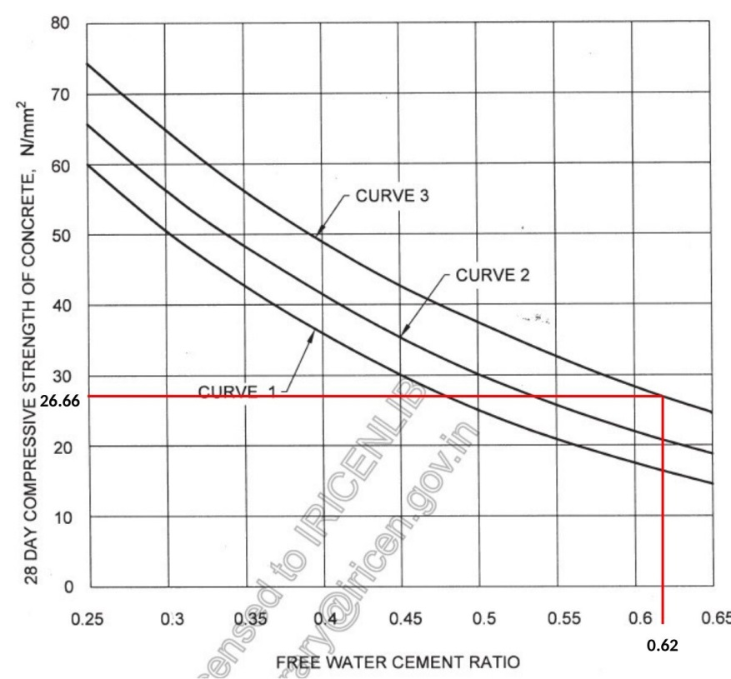

 |  |  |  |  |  |  |  |  |  | Table - 1 |  |  | Graph Table

1) | Design Grade |  | = | 25 |  |  |  |  |  | Grade | Std. Deviation |  | Target Mean Strength | Water-Cement Ratio
2) | Target Mean Strength |  |  |  |  | = | 31.56 | N/mm²
 |  |  |  |  |  |  |  |  |  |  |  |  | 26.66 | 0.62
3) | W/C Ratio |  | = | 0.57 |  |  |  |  |  | M20 | 4 | 26.56 | 31.56 | 0.57
 |  |  |  |  |  |  |  |  |  | M25 |  | 31.56 | 38.20 | 0.48
 |  |  |  |  |  |  |  |  |  | M30 | 5 | 38.20 | 43.20 | 0.44
 |  |  |  |  |  |  |  |  |  | M35 |  | 43.20 | 48.20 | 0.4
4) | Maximun Size of Aggregate |  |  |  |  | = | 20 | mm |  | M40 |  | 48.20
 |  |  |  |  |  |  |  |  |  | M45 |  | 53.20 | Table - 2
 |  |  |  |  |  |  |  |  |  |  |  |  | Nominal max. Size of aggregate | Water Content
 |  |  |  |  |  |  |  |  |  | To Unlock Excel Sheet Pay Rs. 500 to 8905904345 via Google pay and Msg to same No. " I have paid for concrete mix design Excel Sheet"
5) | Water Content per Cubic metre of Concrete |  |  |  |  | = | 186 | Liters |  |  |  |  | 10 | 208
 |  |  |  |  |  |  |  |  |  |  |  |  | 20 | 186
 |  |  |  |  |  |  |  |  |  |  |  |  | 40 | 165

 |  |  |  |  |  |  |  |  |  |  |  |  | W/C Ratio |  | 0.07 | Approximate values for this aggregate volume are given in Table 5 for a water-cement/watercementitious materials ratio of 0.5, which may be suitably adjusted for other ratios, the proportion of volume of coarse aggregates to that of total aggregates is increased at the rate of 0.01 for every decrease in water-cement/cementitious materials ratio by 0.05 and decreased at the rate of 0.01 for every increase in watercement ratio by 0.05.
6) | Volume of Coarse Aggregate per Unit Volume of Total Aggregate |  |  |  |  | = | 0.61 | m³ |  | Correction in Aggregate Volume |  |  | 0.57 | Water Cement Ratio of Table
 |  |  |  |  |  |  |  |  |  | Volume of Coarse Aggregate for Maximum Size of Aggregate and Fine aggreegate confirming zone from Below Table |  |  | 0.62 | 0.5

 | Sand Confirming Zone |  |  |  |  | = | 2
 |  |  |  |  |  |  |  |  |  | Correction in Coarse Aggregate Content |  |  | 1.4 | 0.611
 | Volume of Sand Content |  |  |  |  | = | 0.39 | m³
 |  |  |  |  |  |  |  |  |  | Correction in Water Content |  |  | 186 liter water content is for standard 50 mm slump. If we want to increase slump value by 75 mm (50+25) then we have to add 3% extra water. Similary for each increase of 25mm slump add 3 % extra water.
 |  |  |  |  |  |  |  |  |  | Slump Value | Increase in Water in %
 | Required Slump Value |  |  |  |  | = | 125 | mm |  | 50 mm | -
 | (Standard with W/C ratio is 50 mm) |  |  |  |  |  |  |  | 191.58 | 75 mm | 0.03
 |  |  |  |  |  |  |  |  | 197.16 | 100 mm | 0.06
 |  |  |  |  |  |  |  |  | 202.74 | 125 mm | 0.09
 |  |  |  |  |  |  |  |  |  | 150 mm | 0.12
 |  |  |  |  |  |  |  |  |  |  | 208.32
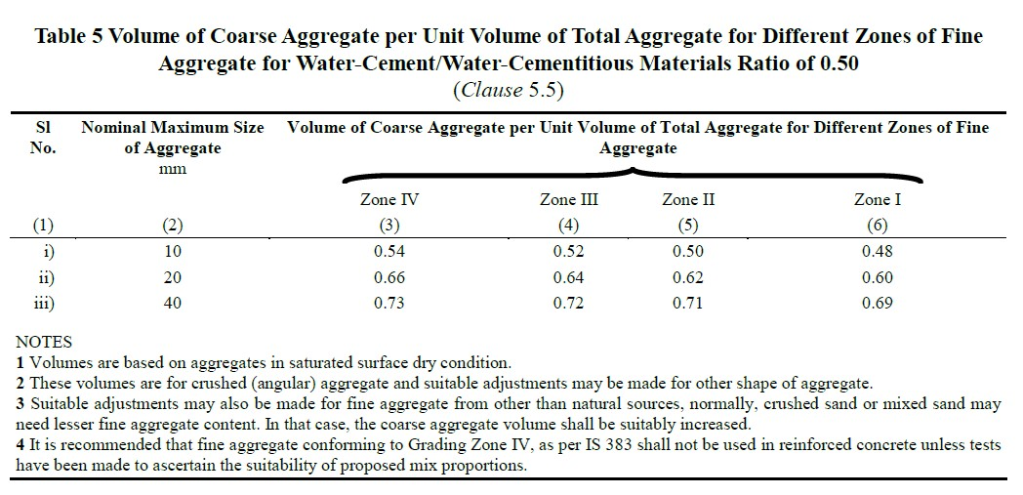
7) | Correction in water Content |  |  |  |  | = | 202.74 | Liters

 |  |  |  |  |  |  |  |  |  |  |  |  |  |  |  |  | W/C Ratio |  | Strength

 |  |  |  |  |  |  |  |  |  |  |  |  |  |  |  |  | 0.35 | 20 | 46
9) | Cement Content |  |  |  |  | = | 355.68 | Kg |  |  |  |  |  |  |  |  | 0.4 | 30 | 37
 |  |  |  |  |  |  |  |  |  |  |  |  |  |  |  |  | 0.45 | 40 | 31
10) | Specific Gravity of Cement |  |  |  |  | = | 3.15 |  |  |  |  |  |  |  |  |  | 0.5 | 50 | 26
 |  |  |  |  |  |  |  |  |  |  |  |  |  |  |  |  | 0.55 | 60 | 21
11) | Specific Gravity |  |  |  |  |  |  |  |  |  |  |  |  |  |  |  | 0.6 | 70 | 18
 | 1) Fine Aggregate |  |  |  |  | = | 2.65

 | 2) Coarse Aggregate |  |  |  |  | = | 2.79

14) | Volume of Concrete (m³) |  |  |  |  | = | 1

15) | Estimated Air Content(%)V |  |  |  |  | = | 0.01 | m³ | v | 0
 |  |  |  |  |  |  |  |  | (c/Sc) | 112.91562239
 |  |  |  |  |  |  |  |  | 1/P | #REF! | 1/(1-P) | #REF!
16)) | Volume of Cement |  |  |  |  | = | 0.11 | m³ | 1/Fa | 0.37735849057 | 1/Sc | 0.35842293907

17) | Volume of Water |  |  |  |  | = | 0.20 | m³

18) | Volume of All Aggregate(Fine + Coarse) |  |  |  |  | = | 0.67 | m³

19) | Total Qty. of Coarse Aggregate |  |  |  |  | = | 1150.15 | Kg

20) | Total Qty. of Fine Aggregate |  |  |  |  | = | 694.58 | kg

 |  |  |  |  |  |  |  |  |  |  | Mix Proportions By Mass
Sr. No: | Material Name |  |  |  |  | Quantity(Kg) |  |  |  | Water | Cement |  | F.A |  | C.A
 |  |  |  |  |  |  |  |  |  | 202.74 | 356 |  | 695 |  | 1150
1 | Cement Content |  |  |  |  | 356 |  |  |  | 0.57 | 1 |  | 1.95 |  | 3.23
2 | Water |  |  |  |  | 202.74
3 | Fine Aggregate |  |  |  |  | 695
4 | Coarse Aggregate |  |  |  |  | 1150 |  |  |  |  | Quantities For 1 Bag of Cement
 | 1) Coarse Aggregate(20mm) |  |  |  |  | 690 |  |  |  | Water | Cement |  | F.A |  | C.A
 | 2) Coarse Aggregate(10mm Grit) |  |  |  |  | 460 |  |  |  | 28 | 50 |  | 98 |  | 162
5 | Slum of Concrete |  |  |  |  | 125

 |  |  |  |  |  |  |  |  |  |  | Quantity for 9 Cube
 |  |  |  |  |  |  |  |  |  | Water | Cement |  | F.A |  | C.A
 |  |  |  |  |  |  |  |  |  | 9 | 17 |  | 33 |  | 54

 |  |  |  |  |  |  |  |  |  | Prepared By: | Mahaja Bhushan

 |  |  |  |  | CONCRETE MIX DESIGN AS PER IS : 10262 - 2019

